Location Plan & Summary
Intelligent Data Collection Limited

Client: | Bristol County Council |  | Date of Survey: |  | 09.07.2015
Project Number: | ID02343 |  | Site Name: |  | Easton Road
Site Number: | ANPR Site 28 |  | Survey Type: |  | Two-way Link Count

X Coordinate |  | Y Coordinate |  | Google Maps Link
51.461582 |  | -2.562919 |  | Click Here
AM Peak Conditions |  | Inter-Peak Conditions |  | PM Peak Conditions
Clear and Sunny |  | Clear and Sunny |  | Clear and Sunny
Junction Layout

N

 |  | Arm A - Easton Road (W)

 |  |  |  |  |  | Arm B - Easton Road (E)

Aerial Mapping and On-site Camera View
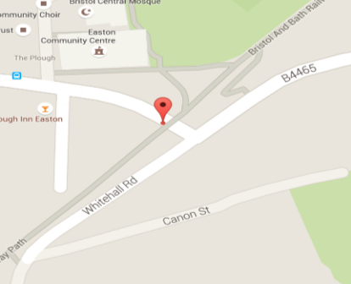

Arm A - Easton Road (W)

Arm B - Easton Road (E)

Junction Flow Profile
Arm Approach Flows (All Vehicles)
 | A to B (Eastbound) | B to A (Westbound) | Two-way Total
7:00:00 | 16 | 138 | 154
7:15:00 | 27 | 183 | 210
7:30:00 | 26 | 137 | 163
7:45:00 | 46 | 146 | 192
8:00:00 | 29 | 176 | 205
8:15:00 | 55 | 128 | 183
8:30:00 | 50 | 157 | 207
8:45:00 | 43 | 137 | 180
9:00:00 | 45 | 161 | 206
9:15:00 | 39 | 173 | 212
9:30:00 | 38 | 136 | 174
9:45:00 | 42 | 102 | 144
10:00:00 | 28 | 108 | 136
10:15:00 | 45 | 100 | 145
10:30:00 | 46 | 111 | 157
10:45:00 | 43 | 104 | 147
11:00:00 | 42 | 92 | 134
11:15:00 | 41 | 84 | 125
11:30:00 | 58 | 106 | 164
11:45:00 | 47 | 107 | 154
12:00:00 | 62 | 102 | 164
12:15:00 | 53 | 114 | 167
12:30:00 | 56 | 87 | 143
12:45:00 | 63 | 121 | 184
13:00:00 | 68 | 99 | 167
13:15:00 | 47 | 104 | 151
13:30:00 | 50 | 100 | 150
13:45:00 | 73 | 108 | 181
14:00:00 | 58 | 80 | 138
14:15:00 | 70 | 95 | 165
14:30:00 | 59 | 117 | 176
14:45:00 | 78 | 118 | 196
15:00:00 | 84 | 85 | 169
15:15:00 | 99 | 88 | 187
15:30:00 | 96 | 103 | 199
15:45:00 | 93 | 147 | 240
16:00:00 | 108 | 97 | 205
16:15:00 | 96 | 106 | 202
16:30:00 | 124 | 113 | 237
16:45:00 | 140 | 114 | 254
17:00:00 | 143 | 98 | 241
17:15:00 | 158 | 101 | 259
17:30:00 | 117 | 107 | 224
17:45:00 | 129 | 97 | 226
18:00:00 | 122 | 107 | 229
18:15:00 | 112 | 100 | 212
18:30:00 | 93 | 112 | 205
18:45:00 | 79 | 131 | 210

Additional Notes (Factors which may impact on survey results such as accidents, roadworks, special events):

